Work Sheet
⚙ Settings | Year | Location |  | Goals | Search | Examination | 1st Comm' |  | Expected Absence | Compensation | Holidays | Parental | Special | Sickness | Opposition | Other Activities
 | 2026 | Munich (DE) |  |  |  |  | 0

 | January | February | March | April | May | June | July | August | September | October | November | December | Total | Diff with Plan
Compensation days |  |  |  |  |  |  |  |  |  |  |  |  | 0 | 0
Holidays |  |  |  |  |  |  |  |  |  |  |  |  | 0 | 0
Parental leave |  |  |  |  |  |  |  |  |  |  |  |  | 0 | 0
Special leave |  |  |  |  |  |  |  |  |  |  |  |  | 0 | 0
Sick days |  |  |  |  |  |  |  |  |  |  |  |  | 0 | 0
Opposition |  |  |  |  |  |  |  |  |  |  |  |  | 0
Other Activities |  |  |  |  |  |  |  |  |  |  |  |  | 0

Productivity
 | Productivity Objective | Monthly Prod
January | 0.00 | 0.00
February | 0.00 | 0.00
March | 0.00 | 0.00
April | 0.00 | 0.00
May | 0.00 | 0.00
June | 0.00 | 0.00
July | 0.00 | 0.00
August | 0.00 | 0.00
September | 0.00 | 0.00
October | 0.00 | 0.00
November | 0.00 | 0.00
December | 0.00 | 0.00
 |  |  |  |  |  | Results
Production Tracking
Date | Action | Type | File# (Optional) | Comment (Optional)
 |  |  |  |  |  |  |  | Predicted Productivity
 |  |  |  |  |  |  |  | 0.00
 |  |  |  |  |  |  |  | Productivity YTD
 |  |  |  |  |  |  |  | 0.00

Cumulated Production
 | Cumulated Objective | Cumulated Results
January | 0 | 0
February | 0 | 0
March | 0 | 0
April | 0 | 0
May | 0 | 0
June | 0 | 0
July | 0 | 0
August | 0 | 0
September | 0 | 0
October | 0 | 0
November | 0 | 0
December | 0 | 0
Total Production
 | Done | Objective
January | 0 | 0
February | 0 | 0
March | 0 | 0
April | 0 | 0
May | 0 | 0
June | 0 | 0
July | 0 | 0
August | 0 | 0
September | 0 | 0
October | 0 | 0
November | 0 | 0
December | 0 | 0

Search
 | Done | Objective
January | 0 | 0
February | 0 | 0
March | 0 | 0
April | 0 | 0
May | 0 | 0
June | 0 | 0
July | 0 | 0
August | 0 | 0
September | 0 | 0
October | 0 | 0
November | 0 | 0
December | 0 | 0
Examination
 | Done | Objective
January | 0 | 0
February | 0 | 0
March | 0 | 0
April | 0 | 0
May | 0 | 0
June | 0 | 0
July | 0 | 0
August | 0 | 0
September | 0 | 0
October | 0 | 0
November | 0 | 0
December | 0 | 0

Details
Calculation Table. Edit at your own risks!
Edits on value should be done in the Imput table

Goals | Search | Examination | 1st Comm' | Products |  | Predicted Productivity |  | Productivity YTD |  |  | Expected Absence |  | Expected Workdays
 | 0 | 0 | 0 | 0 |  | 0.00 |  | 0.00 |  |  | 0 |  | 253

 | January | February | March | April | May | June | July | August | September | October | November | December | Total
Working days | 20 | 20 | 22 | 20 | 18 | 22 | 23 | 21 | 22 | 22 | 21 | 22 | 253
Days Off | 0 | 0 | 0 | 0 | 0 | 0 | 0 | 0 | 0 | 0 | 0 | 0 | 0
Total worked days | 20 | 20 | 22 | 20 | 18 | 22 | 23 | 21 | 22 | 22 | 21 | 22 | 253
Production |  |  |  |  |  |  |  |  |  |  |  |  |  | Achievement
Search Objective | 0 | 0 | 0 | 0 | 0 | 0 | 0 | 0 | 0 | 0 | 0 | 0 | 0
Search Done | 0 | 0 | 0 | 0 | 0 | 0 | 0 | 0 | 0 | 0 | 0 | 0 | 0 | 0%
Examination Objective | 0 | 0 | 0 | 0 | 0 | 0 | 0 | 0 | 0 | 0 | 0 | 0 | 0
Examination Done | 0 | 0 | 0 | 0 | 0 | 0 | 0 | 0 | 0 | 0 | 0 | 0 | 0 | 0%
Production Objective | 0 | 0 | 0 | 0 | 0 | 0 | 0 | 0 | 0 | 0 | 0 | 0 | 0
Production Done | 0 | 0 | 0 | 0 | 0 | 0 | 0 | 0 | 0 | 0 | 0 | 0 | 0
Cumulated Objective (Datas) | 0 | 0 | 0 | 0 | 0 | 0 | 0 | 0 | 0 | 0 | 0 | 0 | 0
Cumulated Results | 0 | 0 | 0 | 0 | 0 | 0 | 0 | 0 | 0 | 0 | 0 | 0 | 0 | 0%
Productivity | 0.00 | 0.00 | 0.00 | 0.00 | 0.00 | 0.00 | 0.00 | 0.00 | 0.00 | 0.00 | 0.00 | 0.00
Cumulated Achievement (%) | 0% | 0% | 0% | 0% | 0% | 0% | 0% | 0% | 0% | 0% | 0% | 0%
Cumulated Worked Days (%) | 8% | 16% | 25% | 32% | 40% | 48% | 57% | 66% | 74% | 83% | 91% | 100%
Additional Metrics (does not count toward production) |  |  |  |  |  |  |  |  |  |  |  |  |  | Achievement
1st Comm Objectives | 0 | 0 | 0 | 0 | 0 | 0 | 0 | 0 | 0 | 0 | 0 | 0 | 0
1st Comm Done | 0 | 0 | 0 | 0 | 0 | 0 | 0 | 0 | 0 | 0 | 0 | 0 | 0 | 0%
Cumulated Production
Total Production

 | Objective Curve
 | Previsional (recommended)

Research
Examen
Productivity
 | Productivity Objective | Monthly Prod
January | 0.00 | 0.00
February | 0.00 | 0.00
March | 0.00 | 0.00
April | 0.00 | 0.00
May | 0.00 | 0.00
June | 0.00 | 0.00
July | 0.00 | 0.00
August | 0.00 | 0.00
September | 0.00 | 0.00
October | 0.00 | 0.00
November | 0.00 | 0.00
December | 0.00 | 0.00

Datas for graph swuitch
Helper: Cumulated Progress | 0 | 0 | 0 | 0 | 0 | 0 | 0 | 0 | 0 | 0 | 0 | 0
Total work days (corrected) | 20 | 20 | 22 | 20 | 18 | 22 | 23 | 21 | 22 | 22 | 21 | 22 | 253
Production (Corrected) | 0 | 0 | 0 | 0 | 0 | 0 | 0 | 0 | 0 | 0 | 0 | 0 | 0
Production (Linear) | 0 | 0 | 0 | 0 | 0 | 0 | 0 | 0 | 0 | 0 | 0 | 0
Cumulated Production (Corrected) | 0 | 0 | 0 | 0 | 0 | 0 | 0 | 0 | 0 | 0 | 0 | 0
Cumulated Production (Linear) | 0 | 0 | 0 | 0 | 0 | 0 | 0 | 0 | 0 | 0 | 0 | 0

How-to use
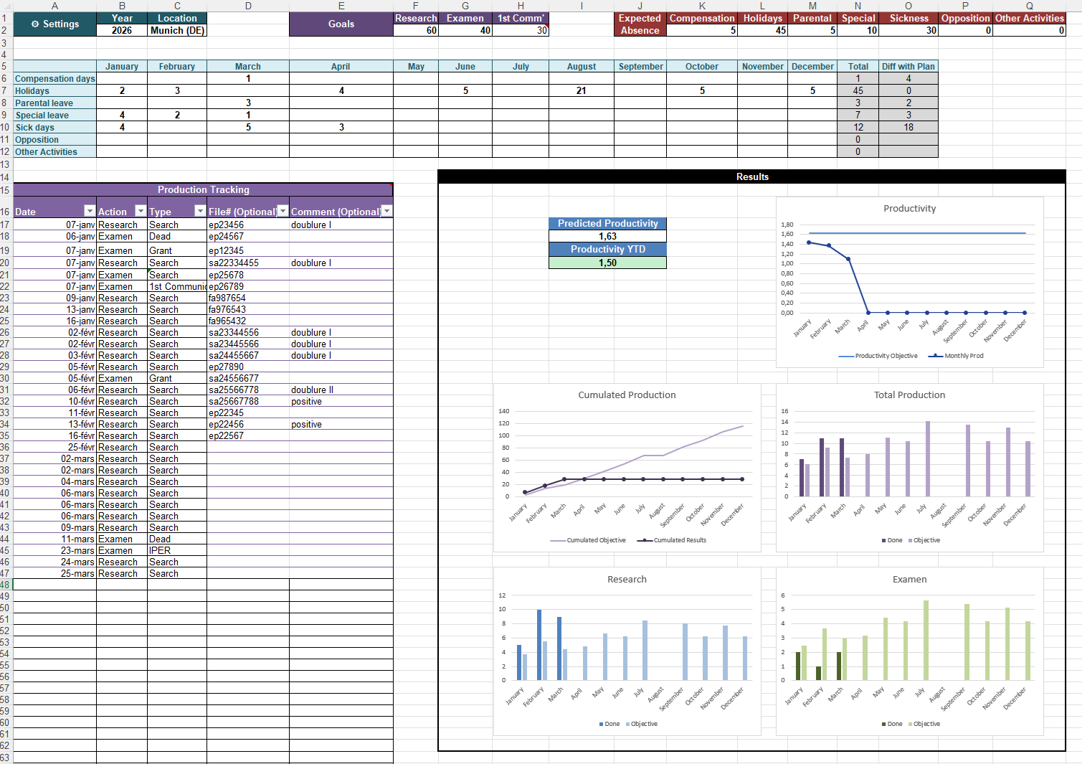
Page under construction.
Contact florian.abry@gmail.com if you have questions.

Example Sheet:

